Layout
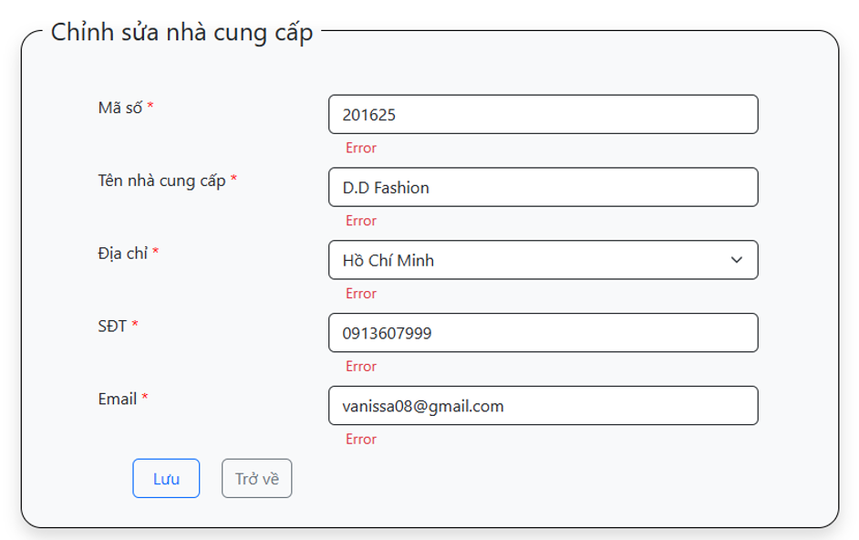
6.7.1 Màn hình thêm mới thông tin nhà cung cấp

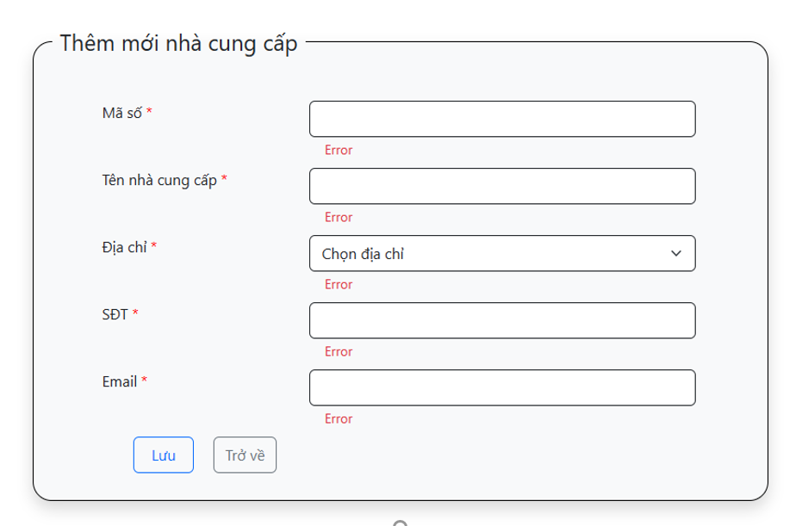

6.7.2 Màn hình chỉnh sửa thông tin nhà cung cấp

